Dose 1 mgm-3
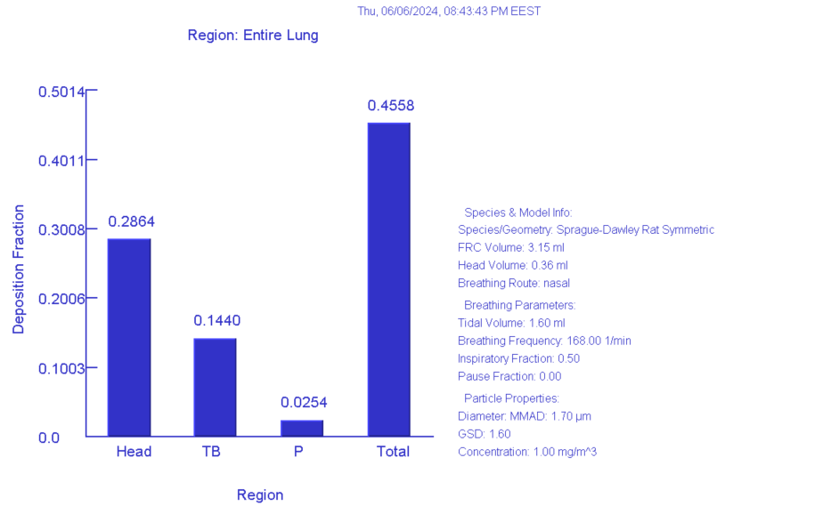
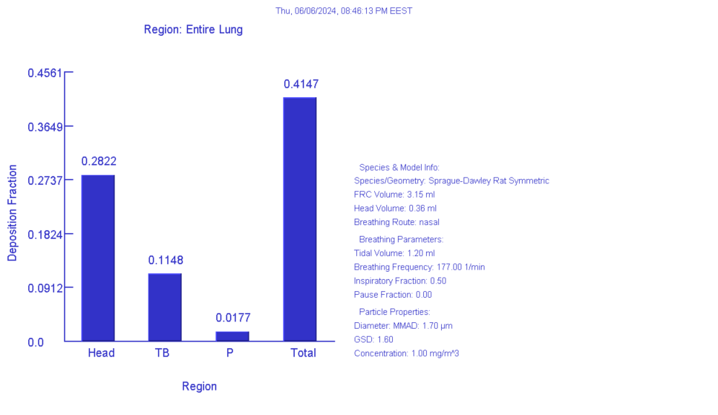
weight | 0.25 | kg | 0 | 0.25 | kg
density | 1 | g/cm^3 | density | 1 | g/cm^3
Aspect ratio | 1 | spherical | Aspect ratio | 1 | spherical
Diameter | 1.7 | μm | Diameter | 1.7 | μm
MMAD |  |  | MMAD
GSD (diam) | 1.6 |  | GSD (diam) | 1.6
GSD (length) | 1 |  | GSD (length) | 1
Correlation | 0 |  | Correlation | 0
Diff.Diameter | 1 |  | Diff.Diameter | 1
Sed. Diameter | 1 |  | Sed. Diameter | 1
Imp.Diameter | 1 |  | Imp.Diameter | 1
Int.Diameter | 1 |  | Int.Diameter | 1

Constant exposure |  |  | Constant exposure
Acceleration of gravity | 981 | cm/s^2 | Acceleration of gravity | 981 | cm/s^2
on stomach |  |  | on stomach
aerosol concentration | 1 | mg/m^3 | aerosol concentration | 1 | mg/m^3
BF male | 168 | 1/min | BF female | 177 | 1/min
TV male | 1.6 | mL | TV female | 1.2 | mL
Inspiratory fraction | 0.5 |  | Inspiratory fraction | 0.5
Pause fraction | 0 |  | Pause fraction | 0
Nose only exposure |  |  | Nose only exposure

Dose 10 mgm-3
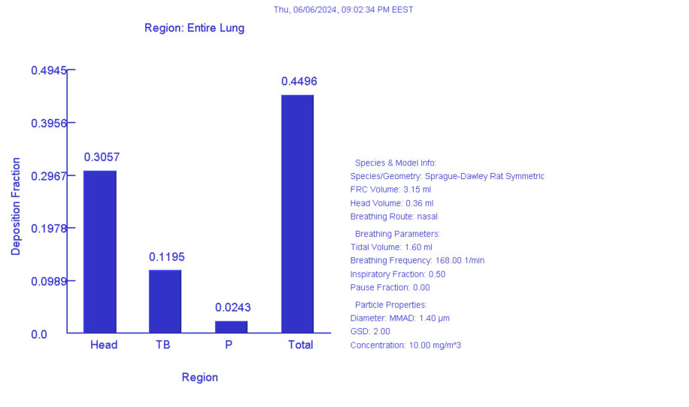
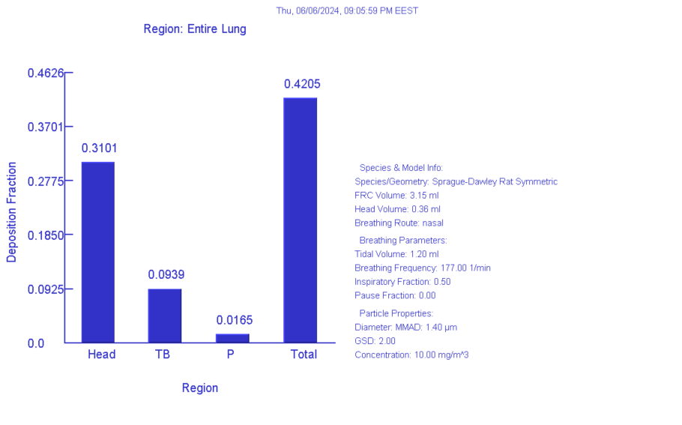
weight | 0.25 | kg | weight | 0.25 | kg
density | 1 | g/cm^3 | density | 1 | g/cm^3
Aspect ratio | 1 | spherical | Aspect ratio | 1 | spherical
Diameter | 1.4 | μm | Diameter | 1.4 | μm
MMAD |  |  | MMAD
GSD (diam) | 2 |  | GSD (diam) | 2
GSD (length) | 1 |  | GSD (length) | 1
Correlation | 0 |  | Correlation | 0
Diff.Diameter | 1 |  | Diff.Diameter | 1
Sed. Diameter | 1 |  | Sed. Diameter | 1
Imp.Diameter | 1 |  | Imp.Diameter | 1
Int.Diameter | 1 |  | Int.Diameter | 1

Constant exposure |  |  | Constant exposure
Acceleration of gravity | 981 | cm/s^2 | Acceleration of gravity | 981 | cm/s^2
on stomach |  |  | on stomach
aerosol concentration | 10 | mg/m^3 | aerosol concentration | 1 | mg/m^3
BF male | 168 | 1/min | BF female | 177 | 1/min
TV male | 1.6 | mL | TV female | 1.2 | mL
Inspiratory fraction | 0.5 |  | Inspiratory fraction | 0.5
Pause fraction | 0 |  | Pause fraction | 0
Nose only exposure |  |  | Nose only exposure

Dose 25 mgm-3
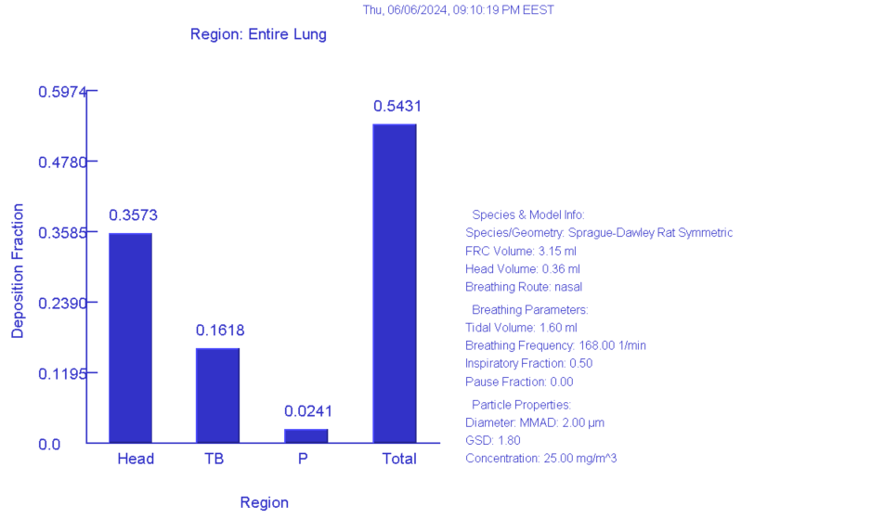
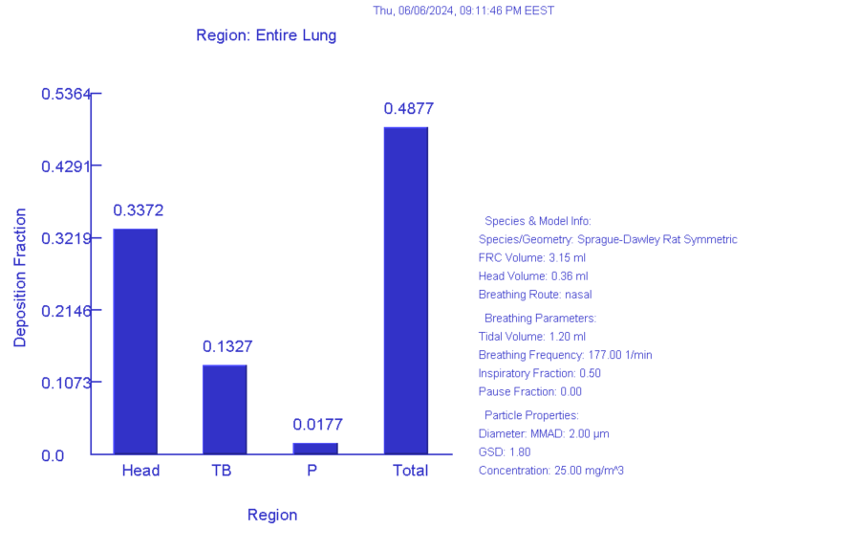
weight | 0.25 | kg | weight | 0.25 | kg
density | 1 | g/cm^3 | density | 1 | g/cm^3
Aspect ratio | 1 | spherical | Aspect ratio | 1 | spherical
Diameter | 2 | μm | Diameter | 2 | μm
MMAD |  |  | MMAD
GSD (diam) | 1.8 |  | GSD (diam) | 1.8
GSD (length) | 1 |  | GSD (length) | 1
Correlation | 0 |  | Correlation | 0
Diff.Diameter | 1 |  | Diff.Diameter | 1
Sed. Diameter | 1 |  | Sed. Diameter | 1
Imp.Diameter | 1 |  | Imp.Diameter | 1
Int.Diameter | 1 |  | Int.Diameter | 1

Constant exposure |  |  | Constant exposure
Acceleration of gravity | 981 | cm/s^2 | Acceleration of gravity | 981 | cm/s^2
on stomach |  |  | on stomach
aerosol concentration | 25 | mg/m^3 | aerosol concentration | 25 | mg/m^3
BF male | 168 | 1/min | BF female | 177 | 1/min
TV male | 1.6 | mL | TV female | 1.2 | mL
Inspiratory fraction | 0.5 |  | Inspiratory fraction | 0.5
Pause fraction | 0 |  | Pause fraction | 0
Nose only exposure |  |  | Nose only exposure

